All Belt Requirements
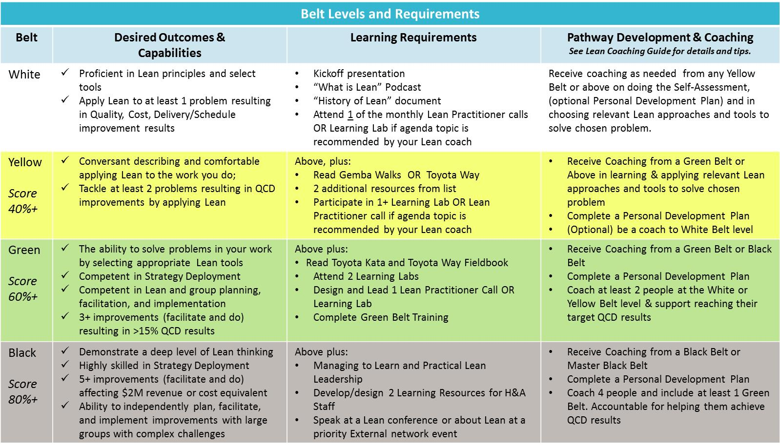

Lean Projects and Belt Tracking
W | Y | G | B
Application of Lean
Belt Level |  |  |  | Improvement Title by Role | Client or H&A Group | Quantification of Results (w/link to summary) | Sharing Venue* LP call, iBoard, Learning Lab, Brown Bag, HANK summary, marketing, other
Lean Facilitator: |  |  |  | Lead Facilitator:

Hello Lean Practitioners! This is optional tool is meant to help you track fulfillment of your Lean Belt Requirements along your journey.
It can also be used in preparation for check meetings with your Staff Manager, and to update progress against goals in Cornerstone.

Formal Lean Learning
Belt Level |  |  |  | Activity | Comments

Reading:
 | X
 | X
 |  | X
 |  | X

Coaching
Belt Level |  |  |  | Activity | Comments
Coaching of Others:

